Electronics
Component | price | shipping price | Technical specs
 |  |  | usage | Additional info.
Audi R8 LMS | 66.66 | 0 | car platform model | • Motor type: Probably DC motor powered from the active rails • Rocker arm is used for voltage transimission • Weight ~= 700 gram (i.e., 700 corresponds to approximately 84 mA)
motor driver | We have three options:
 | 1. Use previous model H-Bridge IC.
 | 2. Use Single channel driver : TB9051FTG Single Brushed DC Motor Driver Carrier, specs: 2.6 Amp (Peak 5), (5-28) V -> 9 euro |  |  |  | Alternative: MC33926 Motor Driver Carrier
 | 3. Use Motor controller, and communication with it via I2C -> 53 euro
Curves _1(30) × 12 | 101.9 | 0 | 30 degrees curved track | • External lane length: 5.6 m • Internal lane length: 5 m • Curve length: 0.57 m | 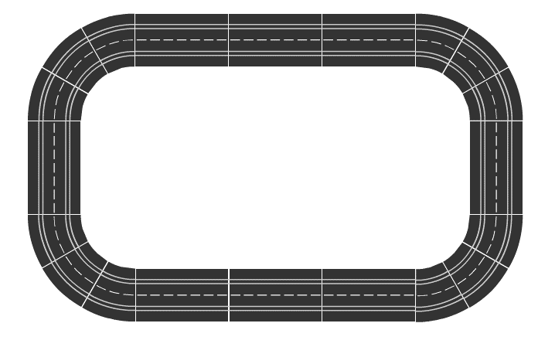
Clips × 42 | 24 | 0 | Connect different parts of the tack
Straight strips × ( 7 - 9) | 141 | 0 | 34.5 cm staright streps
Control strip | 67 | 0 | Platfrom power supply | • There are 10 different speed levels | From my observation, 10 speed levels, with 18v max corresponds to 1.8 V per level
Clips × 24 | 16 | 0 | Connect different parts of the tack | • External lane length: 4.67 m • Internal lane length: 4.1 m |  | Power supply management in this case will be done manually! Suggested: solder and fix transformer's connector underneth of one of the strips!
Curves_3 (30) ×12 | 138 | 0 | Forms a circular path
Track clips × 30 | 10 | 0 | Track fixation
Digital 124 EU Transformer | 85 | 0 | Power source | • 18v, 3 Amp
LEDMO 12V 5A 60W AC to DC Power Supply | 12 | n/a | Alternative power source | • Input voltage: 85-264VAC @ 47-63Hz • output: 12 V 5 Amp | •Additional requirements: Female connector connected to the rails, and firmely placed underneath
AMS1117 Multi DC-DC 12V-3,3V/5V/12V Step-Down | 1.87 | 6 | Step down input voltage to enable sensors and MCU | • Max output current is 800mA • 2 different output levels (3.3,5)
Double grinder | 10 | 0 | Spare parts for car model
ESP32­WROVER­IE | 9.32 | n/a | MCU + BLE + Wi-Fi | • CPU: two low-power Xtensa®32-bit LX6 microprocessors • 8MB flash • Internal clock: 40 MHz | As for now the institue can provide NodeMCU esp32 module, which is sufficient | Alternative:Argon\
ZigBee

